v1
Description | Symbol | Value | Units | Velocity | Char. Shear Rate | Effective Viscosity | Reynold's Number (Classic) | Reynold's Number (Power Law) | Target Re | Bingham Number | Q* | Computed Drag Coefficient
Sphere Radius | r | 0.01 | m | 0.020552 | 1.0276 | 6.4247 | 0.076774 | 0.100002 | 0.1 | 29.59438 | 0.00067 | 8776.9413831
Sphere Diameter | d | 0.02 | m | 0.095393 | 4.76965 | 3.7542 | 0.609830 | 1.000002 | 1 | 13.73656 | 0.01435 | 448.93840097
Area | A | 3.142E-04 | m^2 | 0.4427745 | 22.138725 | 2.4082 | 4.412628 | 10.000003 | 10 | 6.37595 | 0.30414 | 24.458277604
Freestream Velocity | v | 0.01 | m/s | 2.0551768 | 102.75884 | 1.4306 | 34.478509 | 100.000005 | 100 | 2.95945 | 6.33021 | 1.6706610911
Density | rho | 1200 | kg/m^3
$$μ_{eff}=\frac{τ_{0}}{\dot{γ}}(1−\exp{[−m \dot{γ}])}$$
$$+k{\dot{γ}}^{n−1}$$
$$\dot{γ}=\frac{V}{d}$$
$$Re=\frac{ρ V d}{μ}$$
$$Re^{∗}=\frac{ρ V^{2−n}d^{n}}{k}$$
$$Bi^{∗}=\frac{τ_{0}}{k{\left(V\text{/}d\right)}^{n}}$$
Reference Viscosity | mu | 8.6 | kg/(m s)

Misused the critical shear rate in the effective viscosity. Different 'm' variable when calculating effective viscosity using the Bingham-Papanastasiou model.
Use v2 sheet data
Computed Drag Coefficient vs. Reynold's Number (Herschel-Bulkley)
Herschel-Bulkley Model Parameters
Consistency Index | k | 5 | kg s^n-2 m^-1
Power-Law Index | n | 0.5 | -
Yield Stress Threshold | tau_0 | 150 | Pa
Critical Shear Rate | m | 0.01 | s^-1

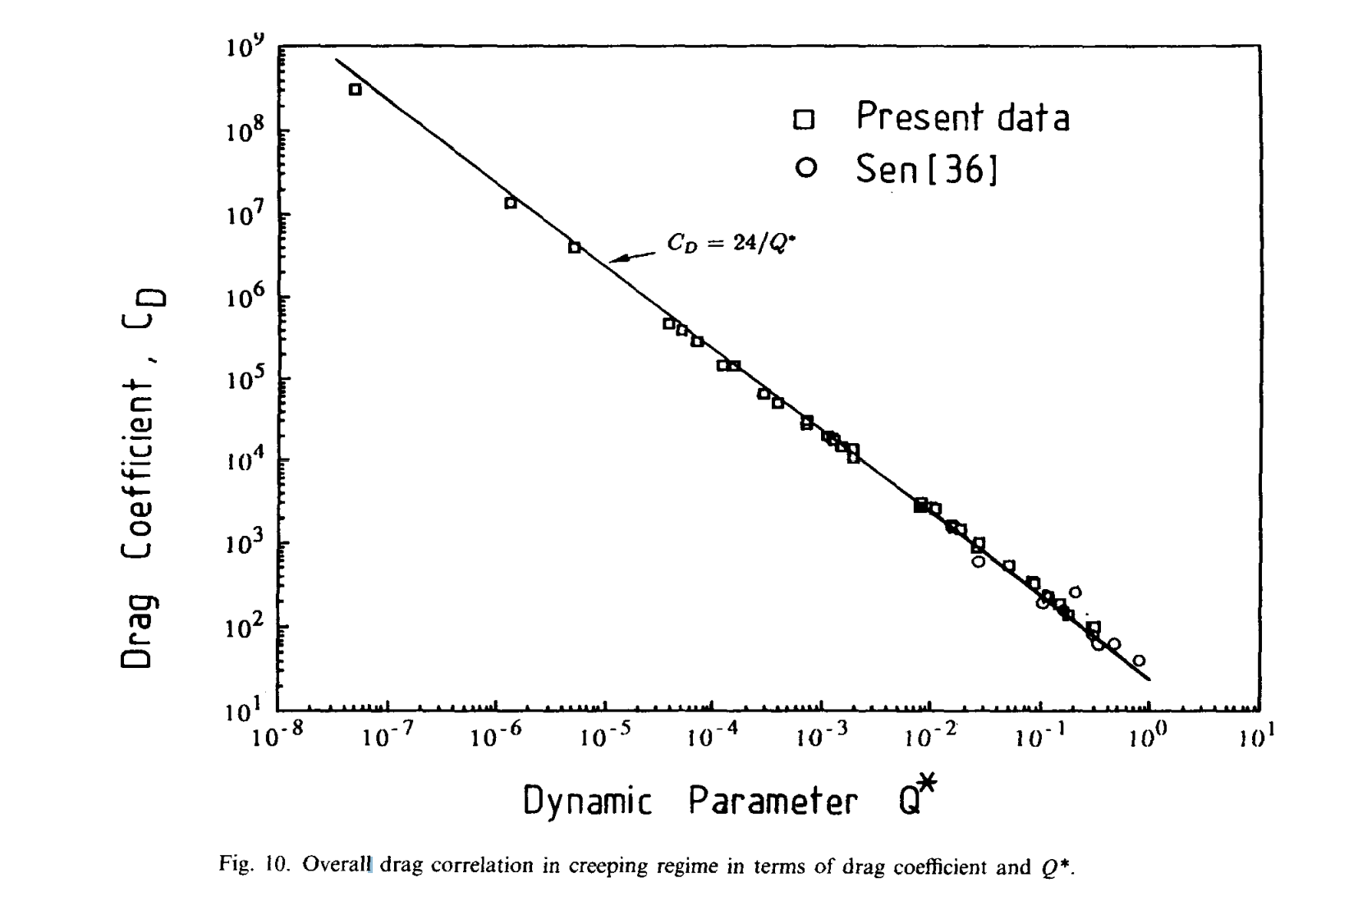

Computed Drag Coefficient vs. Q*

v2
Description | Symbol | Value | Units | Velocity | Char. Shear Rate | Effective Viscosity | Reynold's Number (Classic) | Reynold's Number (Modified) | Target Re | Bingham Number | Q* | Computed Drag Coefficient
Sphere Radius | r | 0.01 | m | 0.043040 | 2.1519814342 | 8.6079 | 0.10000 | 0.140291 | 0.1 | 0.40291 | 0.02996 | 384.4116284
Sphere Diameter | d | 0.02 | m | 0.17707509041 | 8.8537545203 | 3.5415 | 1.00000 | 1.204336 | 1 | 0.20434 | 0.41998 | 38.081989653
Area | A | 3.142E-04 | m^2 | 0.75957318639 | 37.978659319 | 1.5191 | 10.00000 | 11.015749 | 10 | 0.10157 | 5.71239 | 4.0503161324
Density | rho | 1000 | kg/m^3 | 3.3475018944 | 167.37509472 | 0.6695 | 100.00000 | 104.984181 | 100 | 0.04984 | 72.12661 | 0.68986087376

$$μ_{eff}=\frac{τ_{0}}{\dot{γ}}+k|{\dot{γ}|}^{n−1}$$
$$\dot{γ}=\frac{V}{d}$$
$$Re=\frac{ρ V d}{μ_{eff}}$$
$$Re^{∗}=\frac{ρ V^{2−n}d^{n}}{k}$$
$$Bi=\frac{τ_{0}}{k{\left(V\text{/}d\right)}^{n}}$$
Computed Drag Coefficient vs. Reynold's Number (Herschel-Bulkley)
Herschel-Bulkley Model Parameters (S-12)
Consistency Index | k | 9.14 | kg s^n-2 m^-1 (Pa s^n)
Power-Law Index | n | 0.48 | -
Yield Stress Threshold | tau_0 | 5.32 | Pa
Critical Shear Rate (user-defined) | m | 0.01 | s^-1

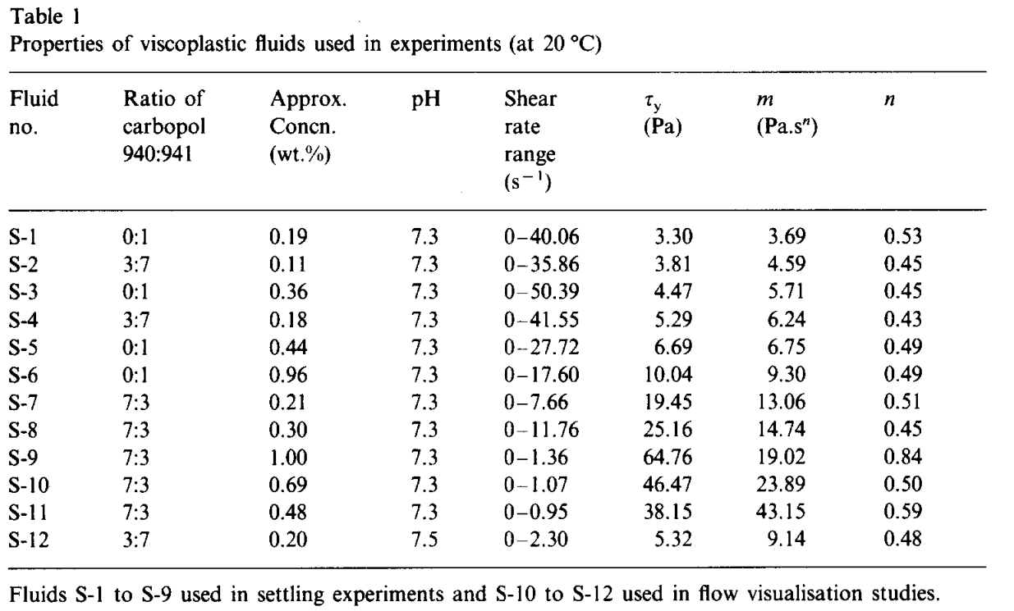

Computed Drag Coefficient vs. Q*

